FITARA Graphic - The Good Chart
 |  | Your name | Qingyuan Zheng

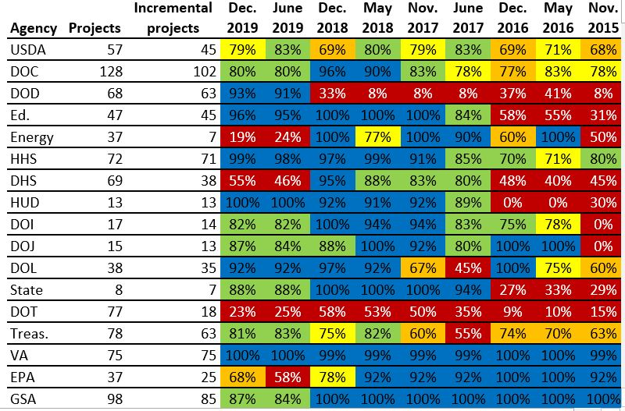 |  | For this graphic, what do you see first? | a group of different data and numbers but without any descriptive information,m cousing me cannot get know what the chart is about at the first glance.

 |  | Make a note of the first idea that forms in your mind and then search for more. | Then, if I begin to see the chart alonging some logics from left to right and from columns to the cells. I can figure out that the chart is about the different agencies' projects, and incremental projects and the grades of using agile along the different times.

 | Source: FITARA 9.0 scorecard, December 2019 as referenced in:

 | Federal News Network. “Agilefall: The Place between Agile and Waterfall Development Where Most Agencies Live,” June 9, 2020. https://federalnewsnetwork.com/reporters-notebook-jason-miller/2020/06/agilefall-the-place-between-agile-and-waterfall-development-where-most-agencies-live/ (Links to an external site.).

 | What I like | What I dislike | What I wish I saw
 | 1. really enough details with exactly and precious number of all points, which is very approriate for presenting the concrete and entire information using just one chart and give enough sapce for user to search for what they want. Some other forms using lines and points to show may be more concise and relational attractive but that kind of chart cannot give extremely detailed numbers. | The chart does not give a sight central and attractive emphasis at the first glance. It cannot take out a biggest and most important thing at the first glance. It keep balance in all aspects. | I wish to see more about the ranking position of the incremental rate among all projects and the grades changing tendancy within one agency.

 | What are three things you'd change, and why?
 | I would change... | because....
 | Change the every agency part to a time line chart showing the different gaps between different time points and use line's rising and falling to show the grades of agile changes. | It can add more functions of providing the incremental development situation changes without needing the user to calculate the grades changes by themselves and if we do not emphasize the different time gaps between different cells. This may cause misleadning when the user think about the grades changes from one to another one.
 | Make the agency's position listed from the average incremental projects higher to lower | This can help the user to quickly figure out the top agencies with best incremental performance
 | with the line chart, give a threshold line of 60% in the chart | with this threshold line, we can directly see how many times grades is under the basic score

 | References: Berinato, S. (2016). Good charts: The HBR guide to making smarter, more persuasive data visualizations.

Resume.io Graphic - The Good Ch
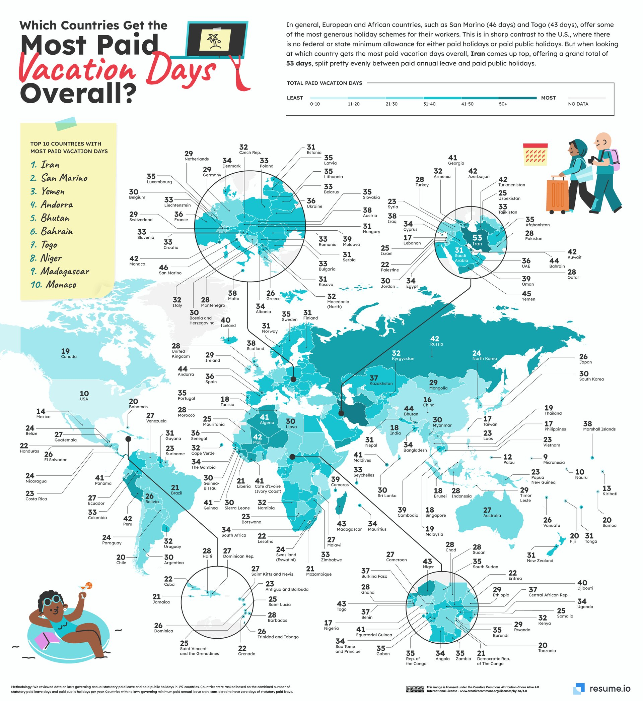

 | Your name | [your name here]

 | For this graphic, what do you see first? | At first, I am attractive by the big title and get know this graphic is about the paid vacation days number in different locations. And the big geographic map also make me know the data involving to many different countries.

 | Make a note of the first idea that forms in your mind and then search for more. | Then, we can see this chart provides very wide information of the annual paid vacation days all over the world and the ares with reletively more paid vacation are north Europe and north Asian or western Asian part. The lowest day is around 10 days and the upper ones can reach more than 50 days.

Article: https://resume.io/blog/which-country-gets-the-most-paid-vacation-days

What I like | What I dislike | What I wish I saw
Very wide range of infromation covering almost all areas in the world. The different extends of color is really fitful for the geographical maps. | This map just give the outlines of the countries but no name of concrete countries so we still cannot know what the concrete number it marking is for what country. | This graphic may be interactive one that can show the country name and days number when the mouth coming to one area.

What are three things you'd change, and why?
I would change... | because....
Interactive layers: the first layer just show the different color extends map but the user can use mouse to scoll out concrete data of every country | This will not make the graphic seem too complex with so dense data and words at the first glance and also can offer enough information in folded layers.
we can mark the top 10 high paid vacation days area on the map not just the name list | In this way, the user can directly get know where the place is even if they are not familiar with the place name
Make the summary paragraph with some overstriking words to emphasize the main insights | This will help the user quickly get know what is the biggest finds from the data map.

References: Berinato, S. (2016). Good charts: The HBR guide to making smarter, more persuasive data visualizations.

The Good Charts Matrix
Name of visualization | Design execution (-10 is poor, 10 is excellent) | Contextual awareness (-10 is low, 10 is high)
FITARA | 6 | 8
Vacation Days | 9 | 6

The Good Charts Matrix
Contextual awareness = what am I trying to say, to whom, and where?
 |  | What were the primary reasons you chose these scores for each graphic? | For the FITARA, the design part is nott outstanding in both visual beauty and visual function power of delivery information but the overall chart can make the user get enough, clear and not very dense information. It is frendly for awearness.

 |  |  | For the Vacation days, the design skills and visual effects both performes good but the datapoints are too much and without explaination for which area name the number is for so most of the datapoints are valid. Silmutaneously, the entire data for all the world make the data map's target group and function vague because who try to know the vacation days of every areas in the world?

Reference: Berinato, S. (2016). Good charts: The HBR guide to making smarter, more persuasive data visualizations.

